Problem 01
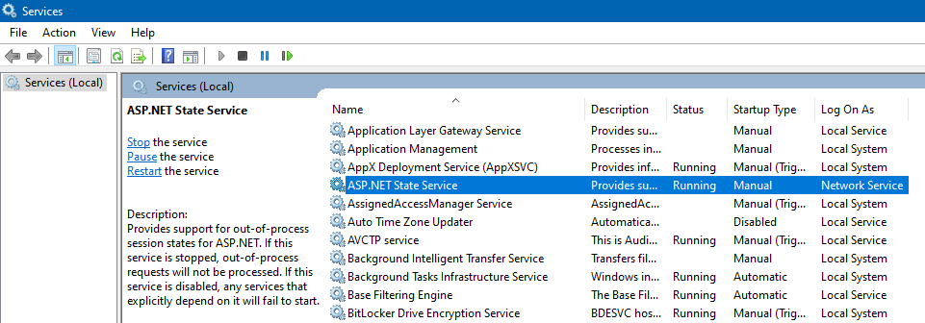
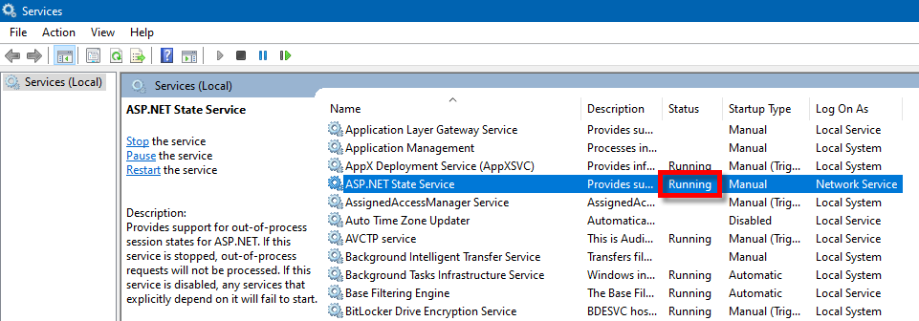
Problem
Debugging

\OLS\Dsf.Olss\Web.config

Problem:

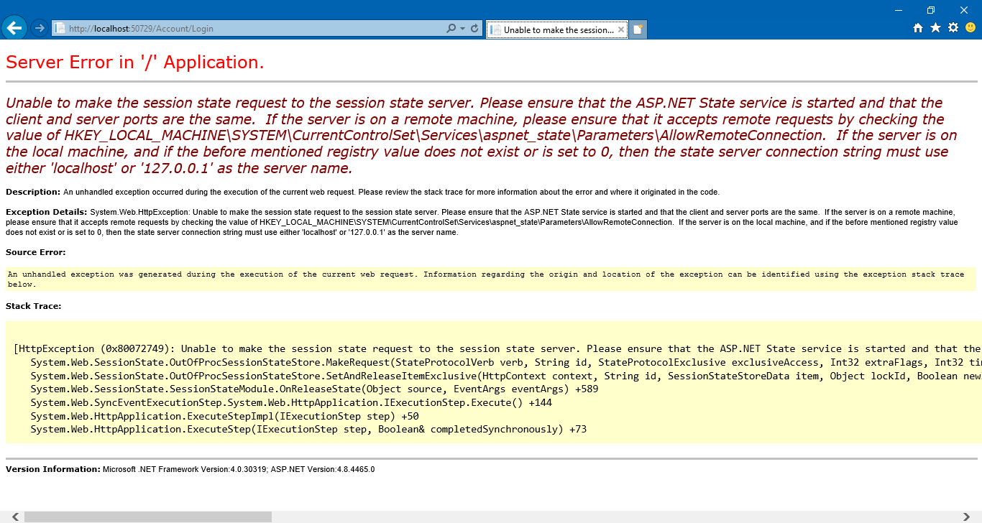

Solution:
https://stackoverflow.com/questions/1376717/unable-to-make-the-session-state-request-to-the-session-state-server

Environment
Environment

0 | PROD

 | Web App:
 | http://dc-olssweb.corp.dipostar.com/olss2

 | Database:
 | 172.30.3.11

 | Database User / Password:
 | BSI_ARYOBUDI
 | Aryo000!
 | Aryo7890 | 20220307MON

 | FW: Access DB Operating Lease

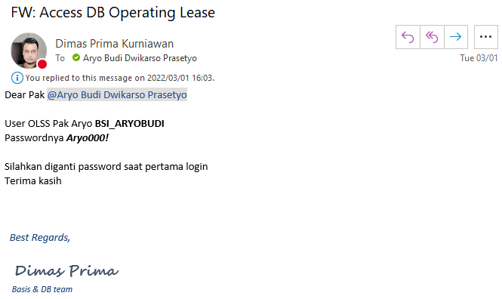

0 | QA

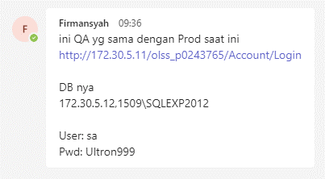

 | Web App:
 | http://172.30.5.11/olss_p0243765/Account/Login

 | Database:
 | 172.30.5.12,1509\SQLEXP2012

 | Database User / Password:
 | sa
 | Ultron999

Documentation 01
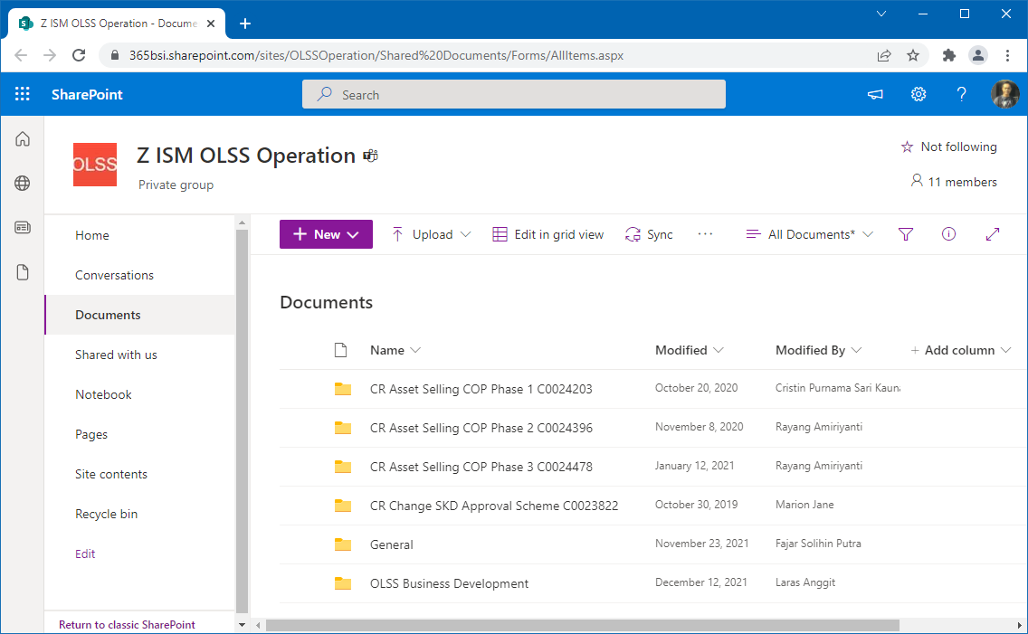
Documentation

SharePoint:
https://365bsi.sharepoint.com/sites/OLSSOperation/Shared%20Documents/Forms/AllItems.aspx

Documentation 02
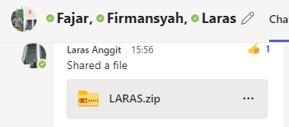
Documentation

Primbon:

CMDB Tips Tricks 01
CMDB Tips Tricks

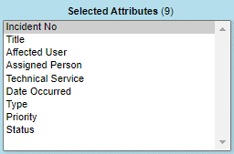
 | AS14403A
 | Progresss

